Parts List
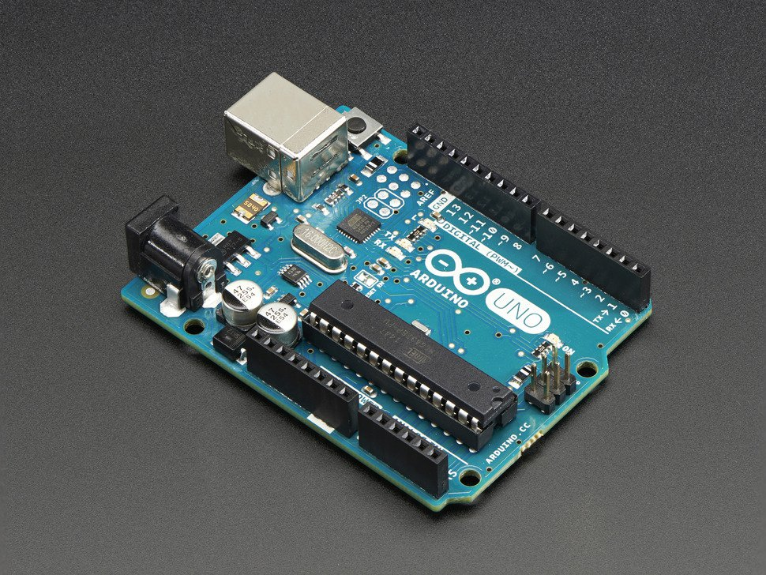 | Arduino Uno | https://www.adafruit.com/products/50 | 24.95
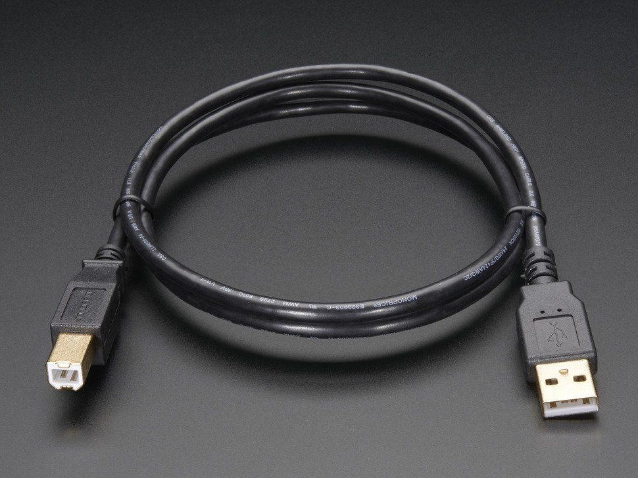 | Arduino USB | https://www.adafruit.com/products/62 | 3.95
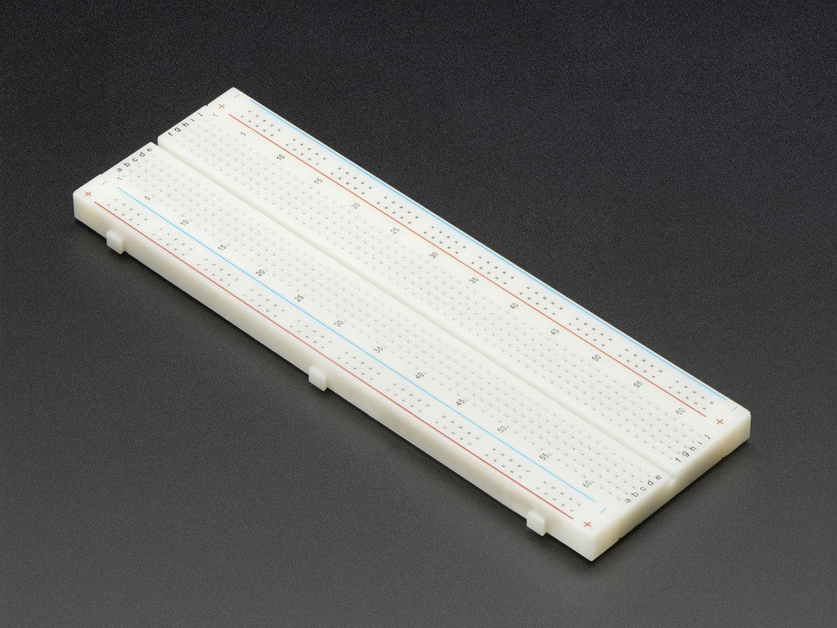 | Breadboard | https://www.adafruit.com/products/239 | 5.95
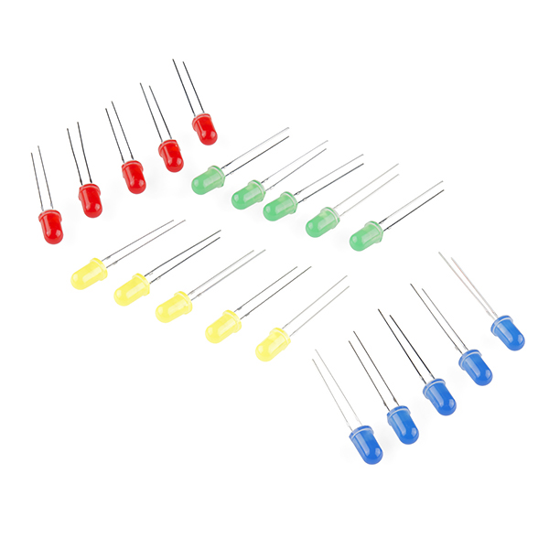 | LEDs | https://www.sparkfun.com/products/12062 | 2.95
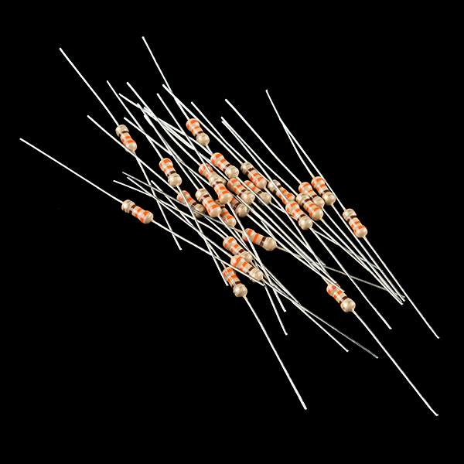 | Resistors | https://www.sparkfun.com/products/11507 | 0.95
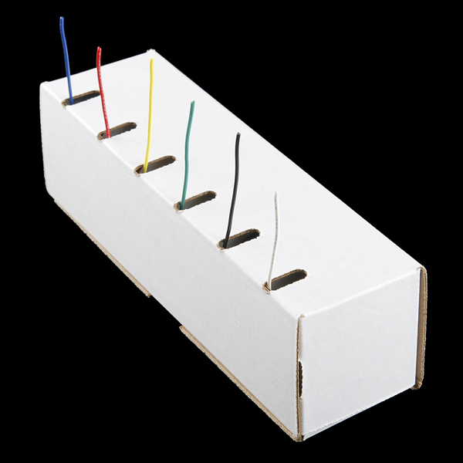 | Hookup Wire | https://www.sparkfun.com/products/11367 | 16.95
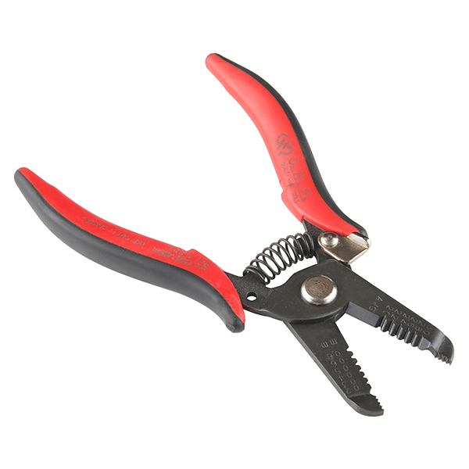 | Strippers | https://www.sparkfun.com/products/12630 | 9.95
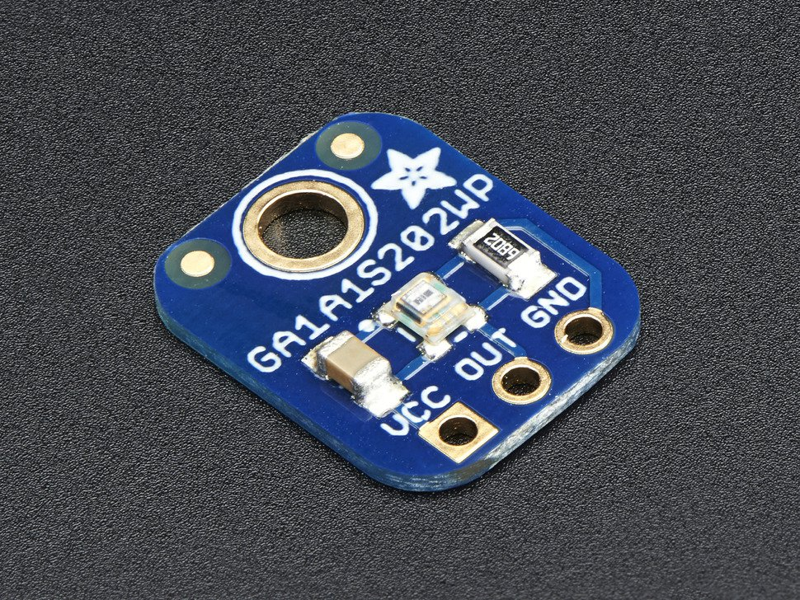 | Light Sensor | https://www.adafruit.com/products/1384 | 3.95
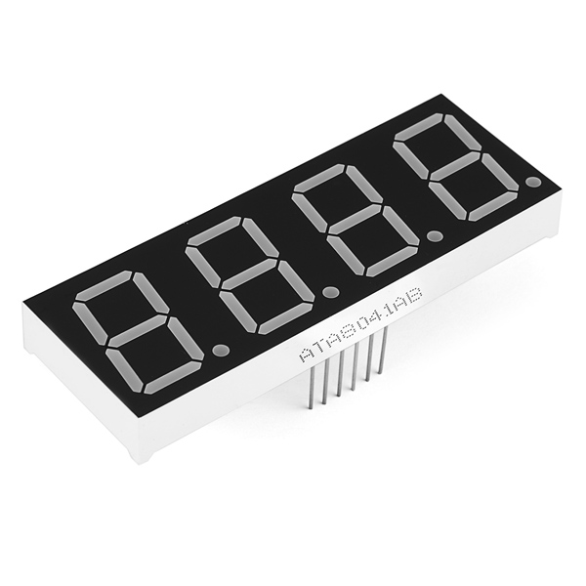 | 7-segment | https://www.sparkfun.com/products/11408 | 2.95
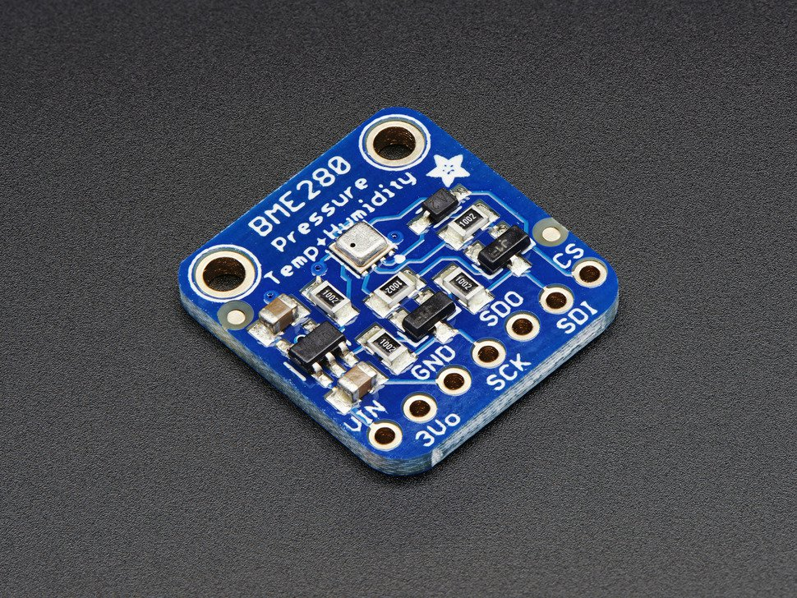 | Pressure/Temp | https://www.adafruit.com/products/2652 | 19.95
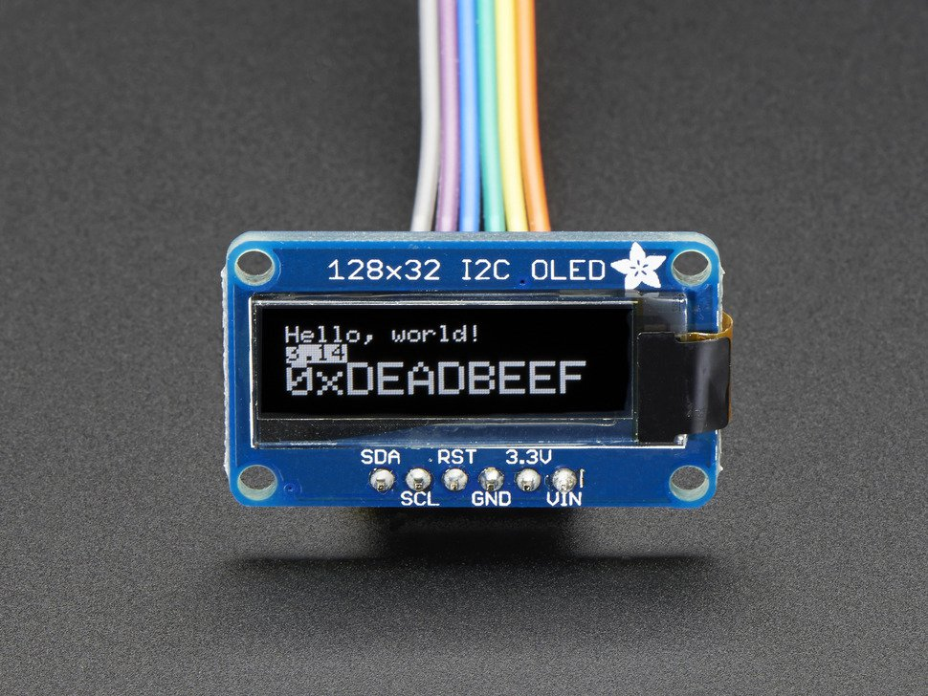 | OLED | https://www.adafruit.com/products/931 | 17.5
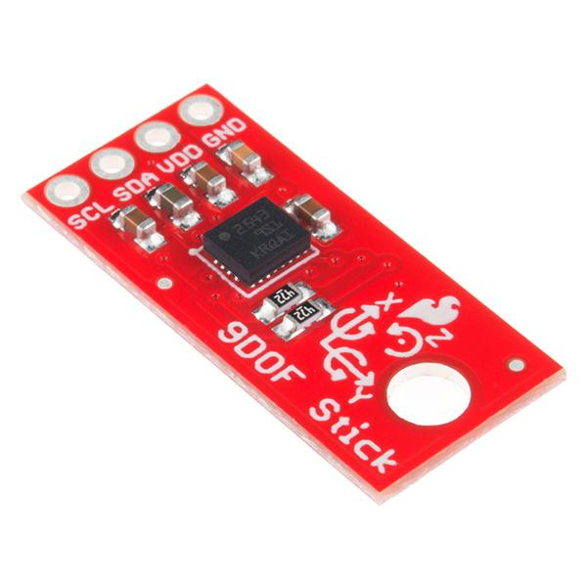 | 9DOF | https://www.sparkfun.com/products/13944 | 14.95
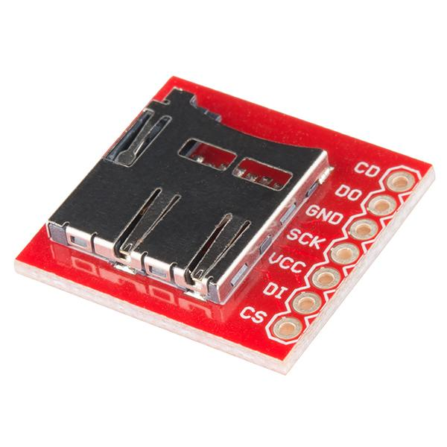 | SD Socket | https://www.sparkfun.com/products/544 | 3.95
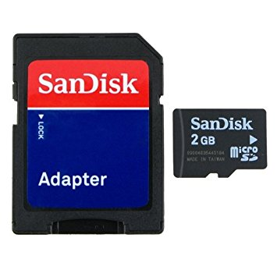 | SD Card | https://www.amazon.com/SanDisk-MicroSD-TransFlash-Adapter-camcorder/dp/B000VOU91U/ref=sr_1_19?s=wireless&ie=UTF8&qid=1492139570&sr=1-19&keywords=SD+card+micro+adapter&refinements=p_36%3A2491155011 | 6.99

 |  | TOTAL:
 |  | 135.89

